Monthly EMI
Calculate the monthly loan payment for a loan amount of ₹5,00,000 at an interest rate of 20% for 12 years, and analyze how the monthly payment changes with varying interest rates or loan amounts using a data table.

Loan Amount | 500000
Interest Rate | 20%
No of Years | 12
Monthly Payment | ₹ 9,183.04
 |  | 1 Variable Data Table |  |  |  | 2 Variable Data Table
 |  | Interest Rate |  |  | Interest Rate, No of years

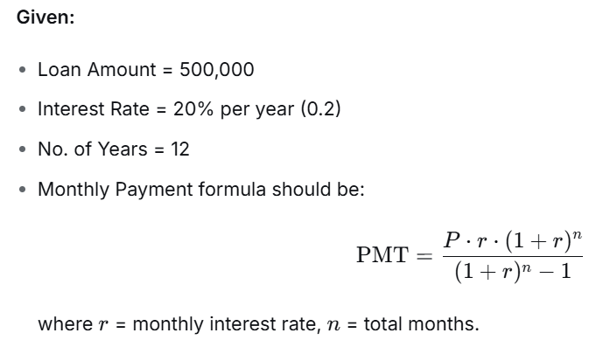
Monthly payment = pmt(interest rate,nper,pv) |  |  | ₹ 9,183.04 | ₹ 9,183.04 | 5 | 7 | 12 | 15 | 18 | 20
 |  | 2% | ₹ 3,908.42 | 2% | ₹ 8,763.88 | ₹ 6,383.72 | ₹ 3,908.42 | ₹ 3,217.54 | ₹ 2,758.34 | ₹ 2,529.42
 |  | 4% | ₹ 4,377.64 | 4% | ₹ 9,208.26 | ₹ 6,834.40 | ₹ 4,377.64 | ₹ 3,698.44 | ₹ 3,250.99 | ₹ 3,029.90
 |  | 6% | ₹ 4,879.25 | 6% | ₹ 9,666.40 | ₹ 7,304.28 | ₹ 4,879.25 | ₹ 4,219.28 | ₹ 3,790.81 | ₹ 3,582.16
 |  | 8% | ₹ 5,412.26 | 8% | ₹ 10,138.20 | ₹ 7,793.11 | ₹ 5,412.26 | ₹ 4,778.26 | ₹ 4,374.81 | ₹ 4,182.20
 |  | 10% | ₹ 5,975.39 | 10% | ₹ 10,623.52 | ₹ 8,300.59 | ₹ 5,975.39 | ₹ 5,373.03 | ₹ 4,999.22 | ₹ 4,825.11
 |  | 12% | ₹ 6,567.10 | 12% | ₹ 11,122.22 | ₹ 8,826.37 | ₹ 6,567.10 | ₹ 6,000.84 | ₹ 5,659.75 | ₹ 5,505.43
 |  | 14% | ₹ 7,185.64 | 14% | ₹ 11,634.13 | ₹ 9,370.01 | ₹ 7,185.64 | ₹ 6,658.71 | ₹ 6,351.92 | ₹ 6,217.60
 |  | 16% | ₹ 7,829.13 | 16% | ₹ 12,159.03 | ₹ 9,931.03 | ₹ 7,829.13 | ₹ 7,343.50 | ₹ 7,071.24 | ₹ 6,956.28
 |  | 18% | ₹ 8,495.60 | 18% | ₹ 12,696.71 | ₹ 10,508.92 | ₹ 8,495.60 | ₹ 8,052.11 | ₹ 7,813.46 | ₹ 7,716.56
 |  | 20% | ₹ 9,183.04 | 20% | ₹ 13,246.94 | ₹ 11,103.10 | ₹ 9,183.04 | ₹ 8,781.48 | ₹ 8,574.68 | ₹ 8,494.12

Product Price & Total Revenue
Calculate the total revenue for a product priced at $50 per unit with 1,000 units sold, and analyze how total revenue changes with varying prices or quantities using a data table.

 |  | Total Revenue = Price * Quantity Sold
Price per Unit | $50
Quantity Sold | 1000
Total Revenue

 |  |  | 1 Variable Data Table: (Price vs. Total Revenue) |  | 2 Variable Data Table: (Price, Quantity Sold)

 |  |  |  | $0 | $0 | 800 | 900 | 1000 | 1100
 |  |  | $45 |  | $45
 |  |  | $50 |  | $50
 |  |  | $55 |  | $55
 |  |  | $60 |  | $60
 |  |  | $65

Revenue
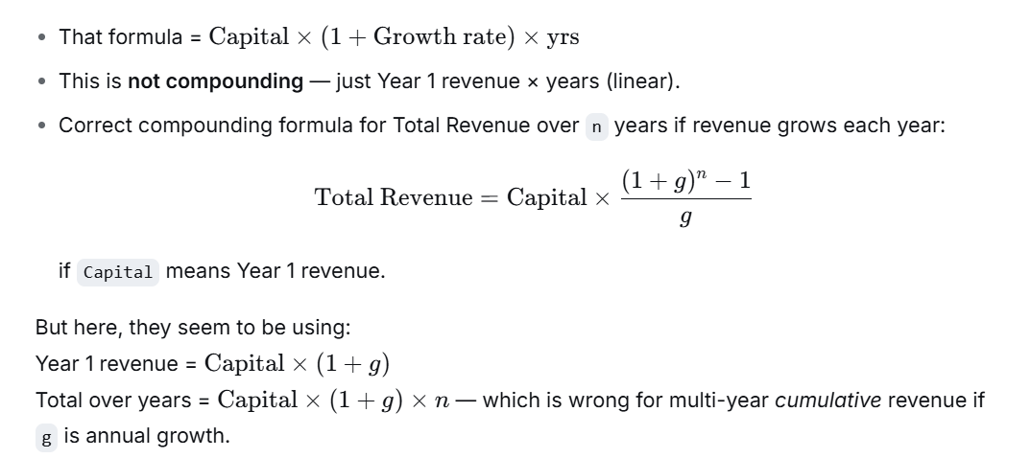
Calculate the total revenue for an initial capital of ₹55,000 with a yearly growth rate of 13% over 1 year, and explore how the total revenue changes with different growth rates using a data table.

Capital | 55000 | 1 Variable Data Table |  | 2 Variable Data Table
Growth per Year | 13% |  | 0 | 0 | 1 | 2 | 3 | 4 | 5
No. of Years | 1 | 13% |  | 13%
Total Revienue |  | 13.50% |  | 13.50%
 |  | 14% |  | 14%
 |  | 14.50% |  | 14.50%
Total Revenue = (Capital+Capital*Growth rate)*yrs |  | 15% |  | 15%
 |  | 15.50% |  | 15.50%
 |  | 16% |  | 16%
 |  | 16.50% |  | 16.50%

Task_Marketing_Budget
Calculate the number of new customers acquired from a marketing campaign based on the budget, cost per lead, and conversion rate. Use a data table to analyze how the number of new customers changes when adjusting either the budget, the conversion rate, or both.

Budget | $20,000
Conversion Rate | 2.50%
Cost per Lead (CPL) | $10.00
No of Customers |  | 1 Variable Data Table: (Conversion Rate vs. New Customers) |  | 2 Variable Data Table: (Budget vs. Conversion Rate)
 |  |  | $0.00 | $0.00 | 2.00% | 2.50% | 3.00% | 3.50%
 |  | 2.00% |  | $15,000
 |  | 2.50% |  | $20,000
 |  | 3.00% |  | $25,000
 |  | 3.50% |  | $30,000
 |  | 4.00%

Task_Managing_Inventory_Costs
Managing Inventory Costs with Varying Order Quantities
A retail store wants to optimize its inventory costs by adjusting order quantities and negotiating unit prices with suppliers. The store needs to understand how changes in order quantity and unit cost affect the total inventory cost.
Objective: Create a data table to model inventory costs by multiplying order quantities with unit costs, then vary both inputs to analyze the impact on total cost.

Order Quantity | 100
Unit Cost | $10
Inventory Cost |  | 1 Variable Data Table: (Quantity Vs Inventory cost) |  | 2 Variable Data Table: (Price, Quantity Sold)

Inventory cost = Quantity * Unit cost |  |  | $0 | $0 | $10 | $20 | $30 | $40
 |  | 100 |  | 100
 |  | 200 |  | 200
 |  | 300 |  | 300
 |  | 400 |  | 400
 |  | 500 |  | 500

